Foglio1
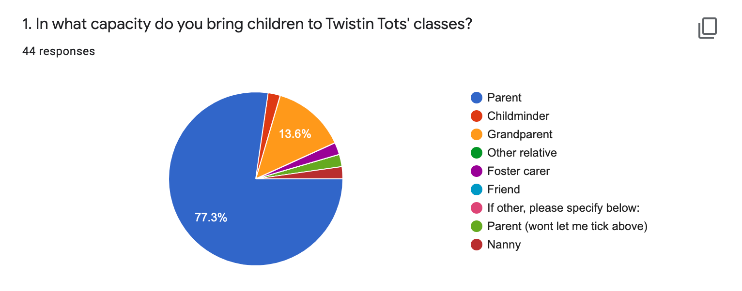
1. |  | PARENT | 35
 |  | GRANDPARENT | 6
 |  | FOSTER CARER | 1
 |  | CHILDMINDER | 1
 |  | NANNY | 1
 |  | FRIEND | 0
 |  | OTHER RELATIVE | 0

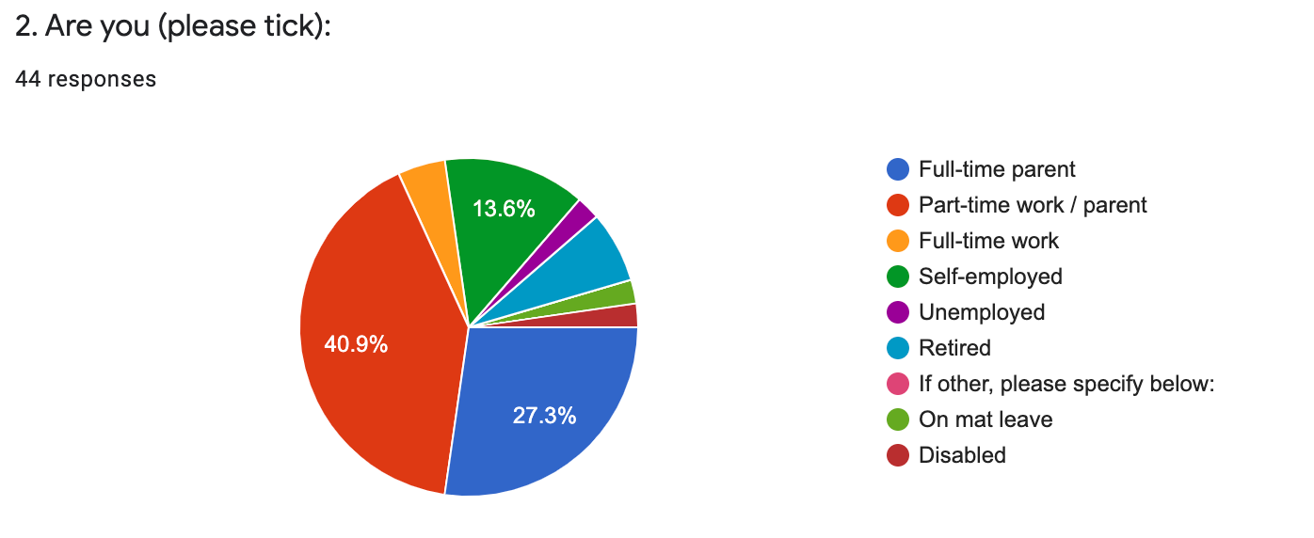
 |  | PART-TIME WORK / PARENT | 18
2. |  | FULL-TIME PARENT | 12
 |  | FULL-TIME WORK | 2
 |  | SELF-EMPLOYED | 6
 |  | RETIRED | 3
 |  | UNEMPLOYED | 1
 |  | ON MAT LEAVE | 1
 |  | DISABLED | 1

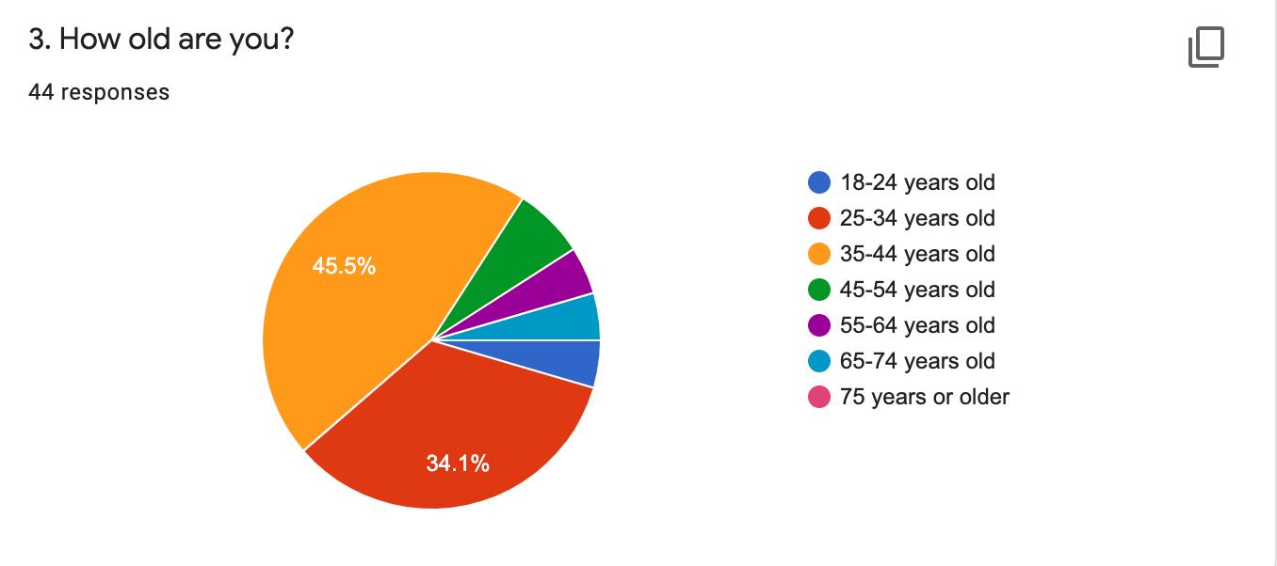
 |  | 18-24 YEARS OLD | 2
3. |  | 25-34 YEARS OLD | 15
 |  | 35-44 YEARS OLD | 20
 |  | 45-54 YEARS OLD | 3
 |  | 55-64 YEARS OLD | 2
 |  | 65-74 YEARS OLD | 2
 |  | 75 YEARS OR OLDER | 0

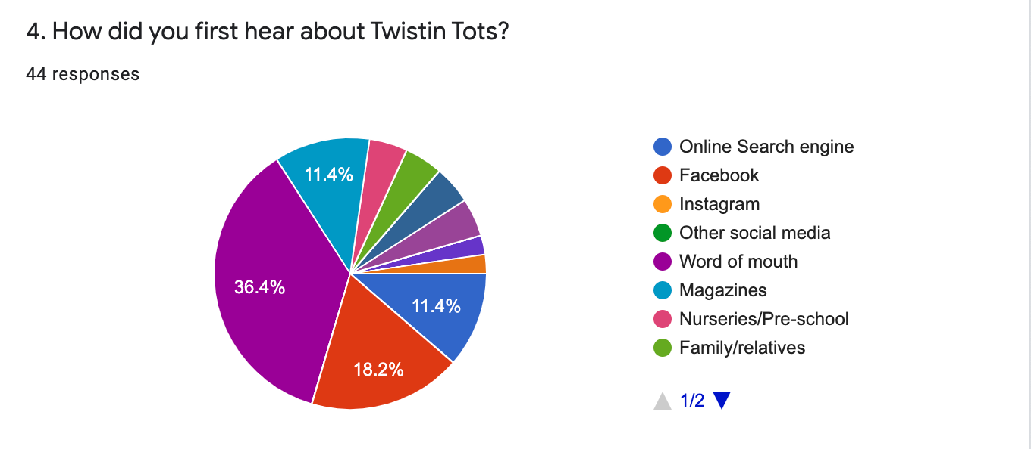
 |  | ONLINE SEARCH ENGINE | 5
4. |  | FACEBOOK | 8
 |  | INSTAGRAM | 0
 |  | OTHER SOCIAL MEDIA | 0
 |  | WORD OF MOUTH | 16
 |  | MAGAZINES | 5
 |  | NURSERIES/PRE-SCHOOL | 2
 |  | FAMILY/RELATIVES | 2
 |  | HEALTH VISITOR | 0
 |  | VENUE WHERE I NOW ATTEND CLASSES | 2
 |  | FLYERS | 2
 |  | POSTERS | 0
 |  | LOTS FOR TOTS EVENT IN DERBY IN 2015 | 1
 |  | LOTS FOR TOTS MAGAZINE | 1

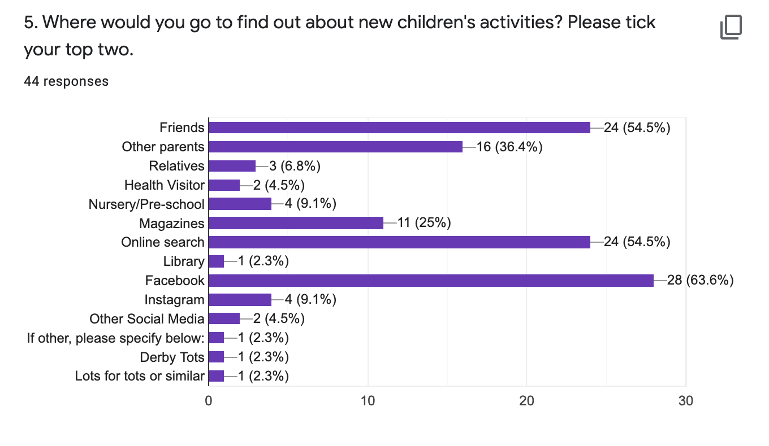
5.

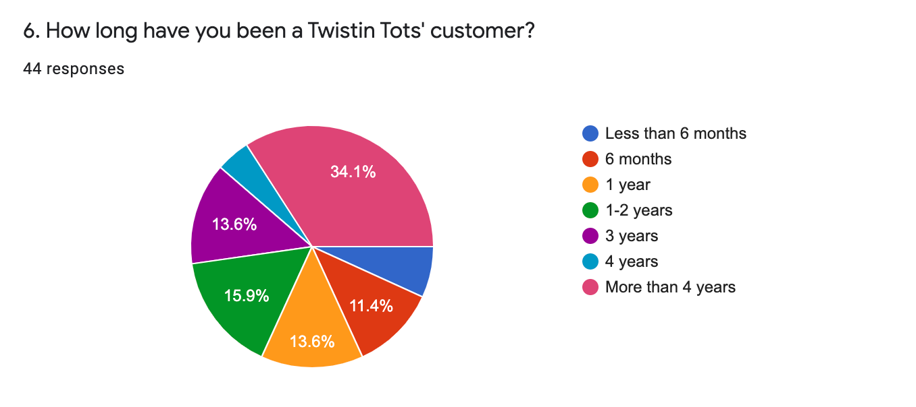
6. |  | LESS THAN 6 MONTHS 3 | 3
 |  | 6 MONTHS | 5
 |  | 1 YEAR | 6
 |  | 1-2 YEARS | 7
 |  | 3 YEARS | 6
 |  | 4 YEARS | 2
 |  | MORE THAN 4 YEARS | 15

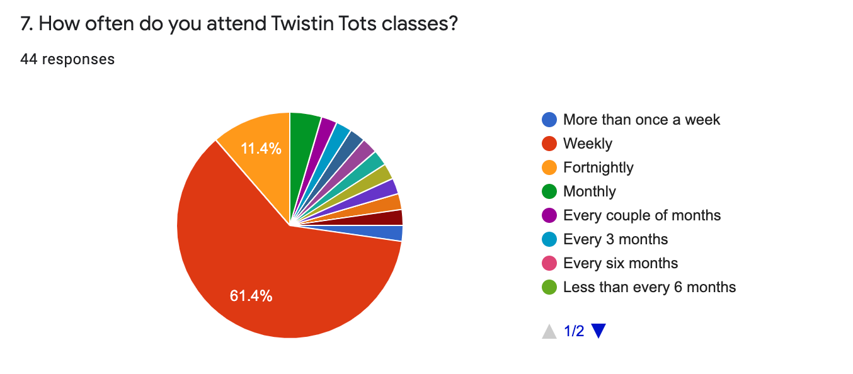
 |  | MORE THAN ONCE A WEEK 1 | 1
7. |  | WEEKLY | 27
 |  | FORTNIGHTLY | 5
 |  | MONTHLY | 2
 |  | EVERY COUPLE OF MONTHS | 1
 |  | EVERY 3 MONTHS | 1
 |  | EVERY 6 MONTHS | 0
 |  | LESS THAN EVERY 6 MONTHS | 0
 |  | AS OFTEN AS I CAN | 1
 |  | RESTRICTIONS WITH WORK AND HAVING KIDS | 1
 |  | ONLINE LOCKDOWN | 1
 |  | WEEKLY WHILE ON MATERNITY LEAVE | 1
 |  | USED TO COME WITH MY OLDEST, AND LOOKING FORWARD TO COMING WITH MY YOUNGEST | 1
 |  | Came weekly when D was little- then I got too busy! I'd be there every week if I had the time. Think she may be too old now too. | 1

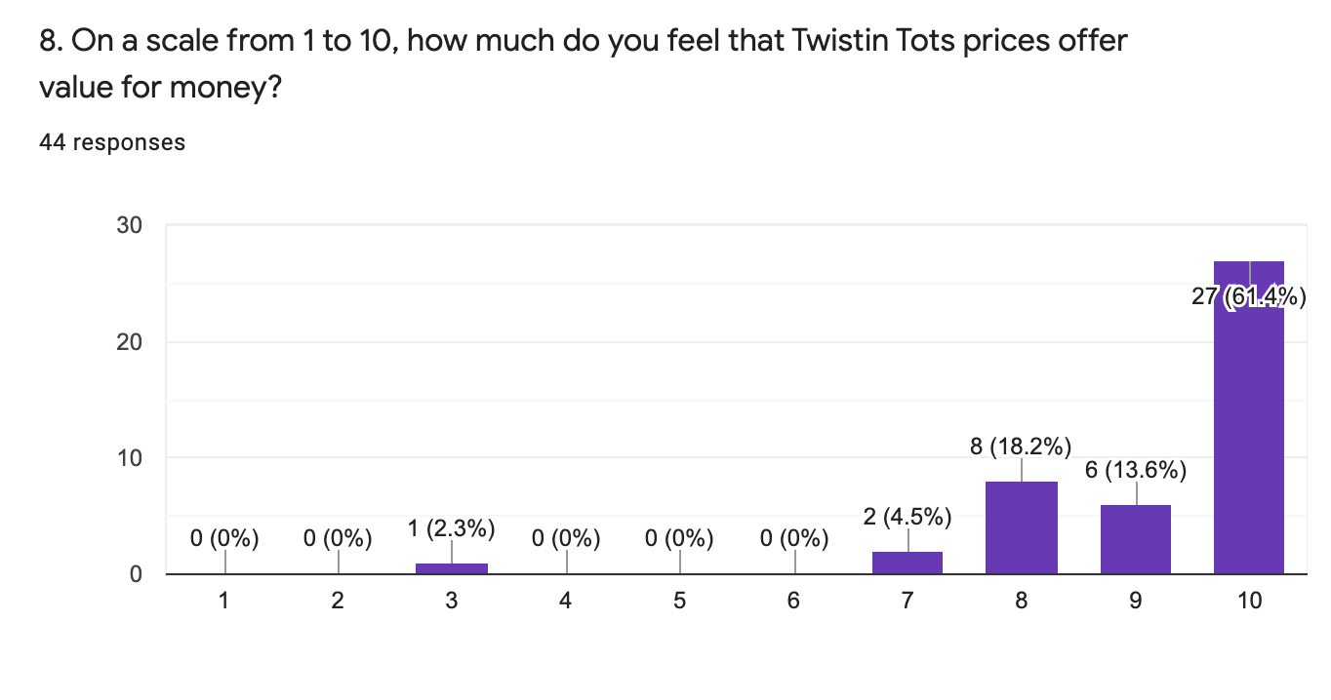
8.

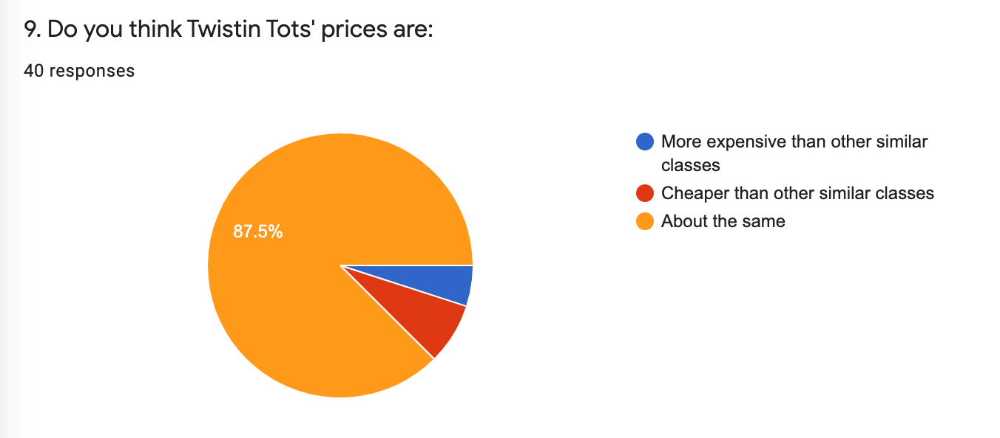
9. |  | MORE EXPENSIVE THAN OTHERS | 2
 |  | CHEAPER THAN OTHERS | 3
 |  | ABOUT THE SAME | 35

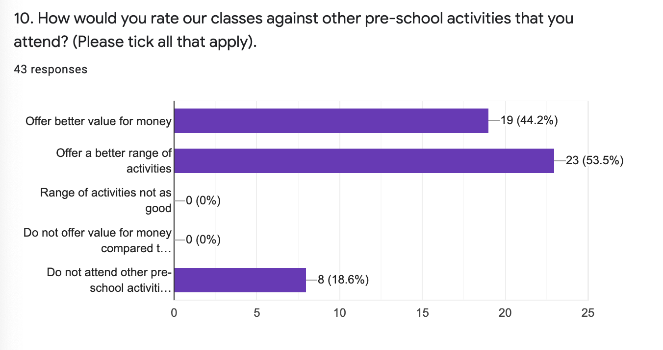
10.

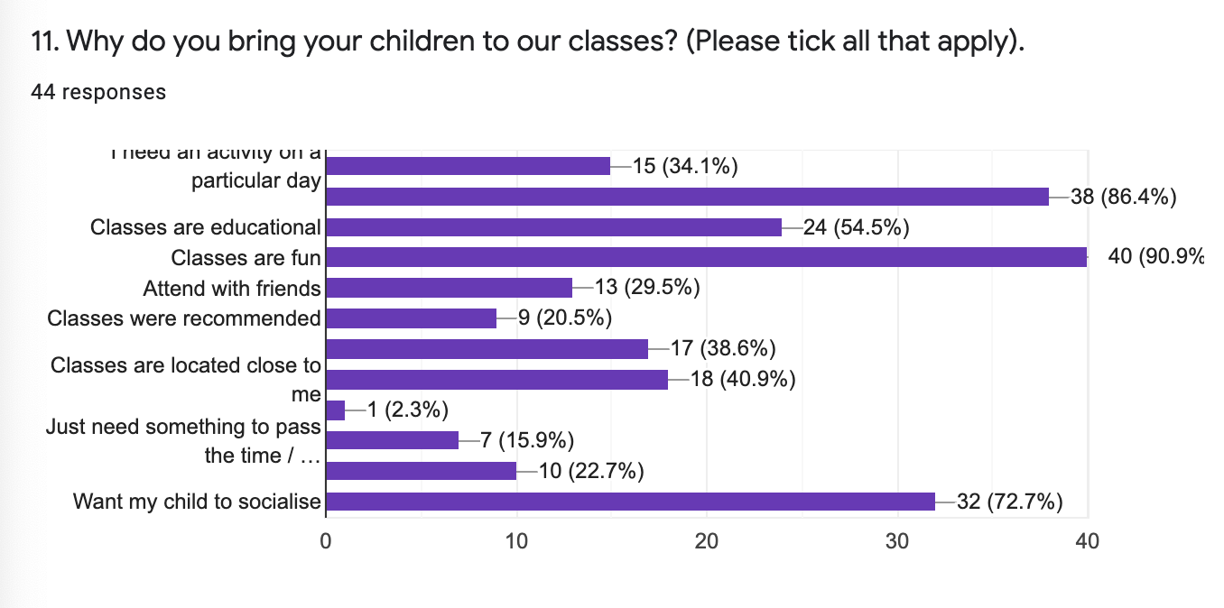
11.

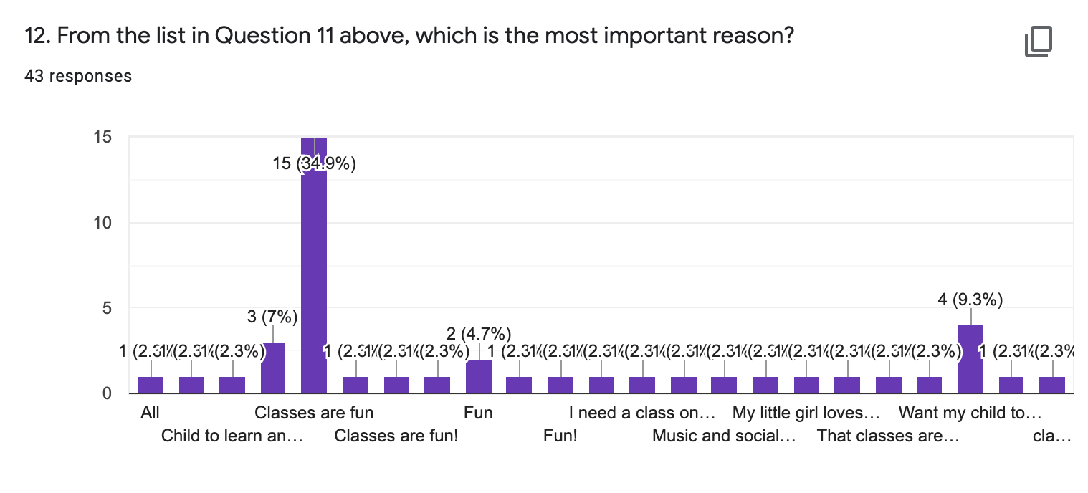
12. |  | SOCIALISE | 12
 |  | CLASSES ARE FUN | 23
 |  | LOVES SINGING AND DANCING | 1
 |  | VALUE FOR MONEY | 1
 |  | LOVES MUSIC | 3
 |  | MUSIC AND SOCIAL SKILLS | 1
 |  | ALL | 1
 |  | NEED A CLASS ON A PARTICULAR DAY WHEN I AM NOT WORKING | 1
 |  | MY LITTLE GIRL LOVES THE CLASSES, TO MEET NEW LITTLE FRIENDS, SING, DANCE AND PLAY AND ALSO IT'S REALLY GOOD HOW IT'S STRUCTURED TO DO ONE THING AFTER ANOTHER RATHER THAN OTHER CLASSES WHICH PUT THE TOYS OUT AND LEAVE YOU TO IT, WE MUCH PREFERE THIS CLASS | 1
 |  | FUN AND EDUCATIONAL | 2

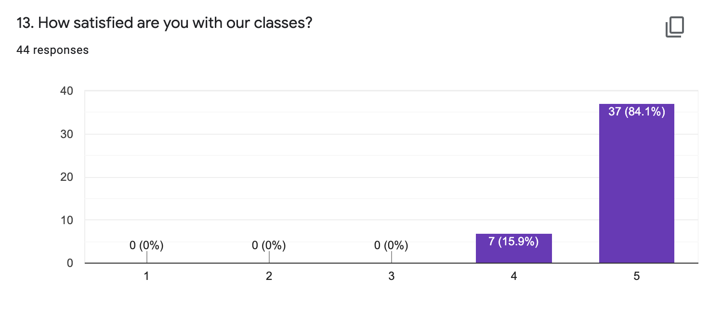
13.

14.

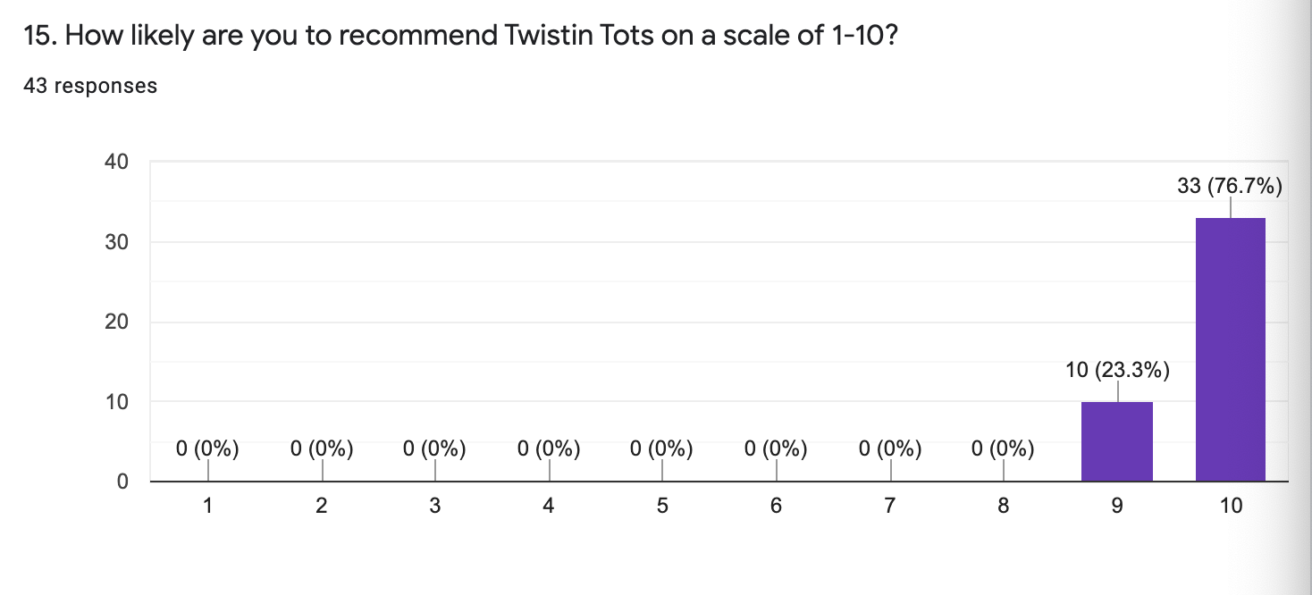
15.

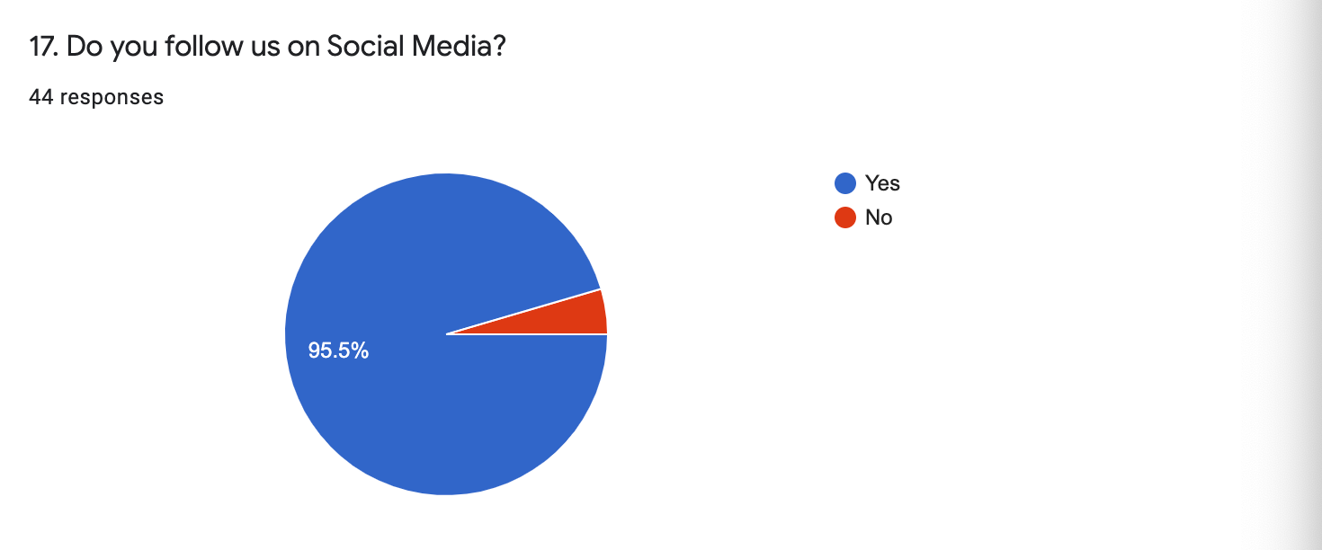
17. |  | YES | 42
 |  | NO | 2

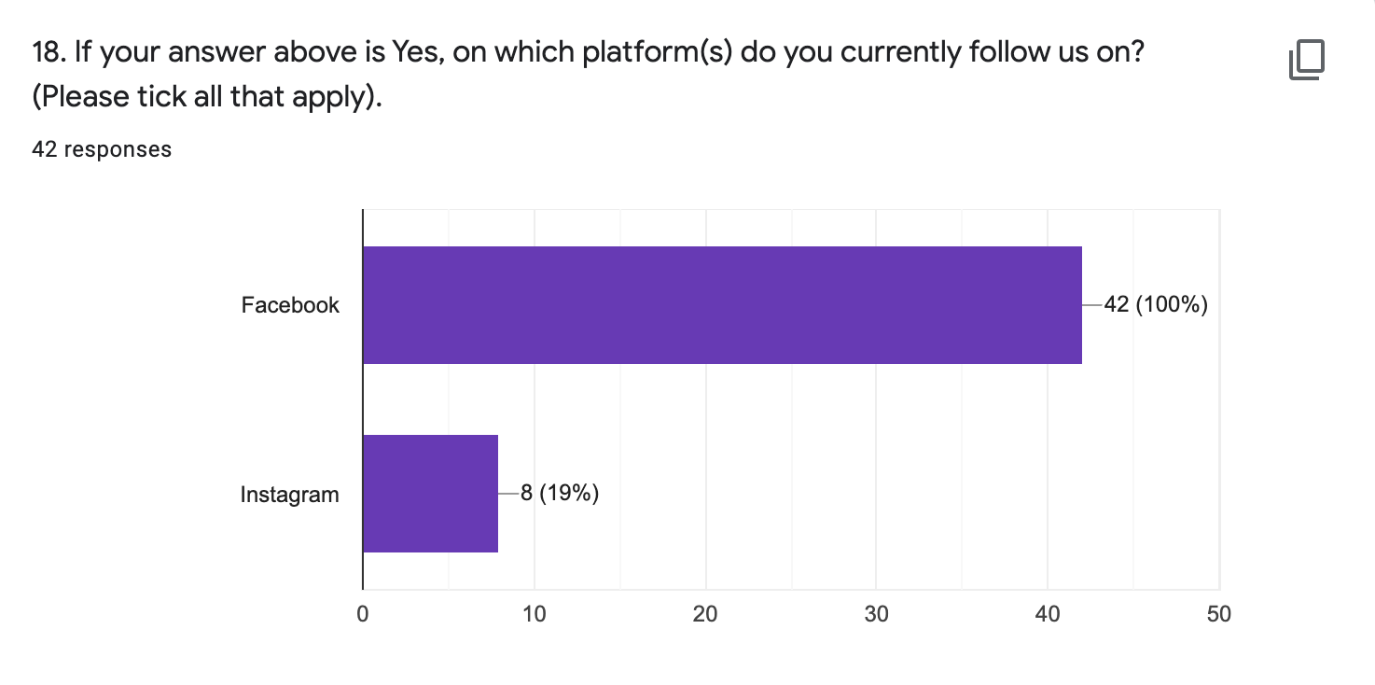
18.

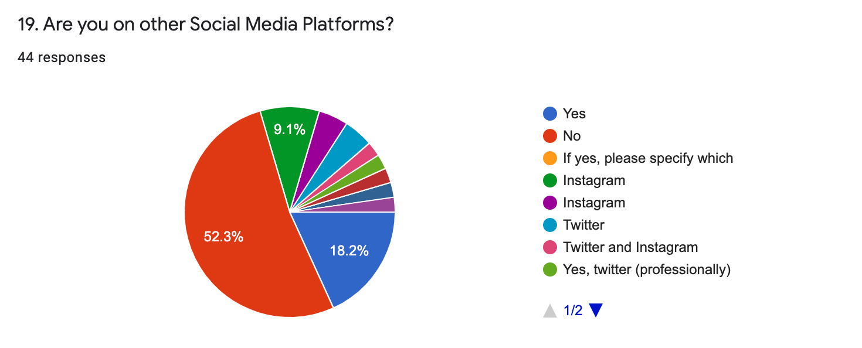
19. |  | YES
 |  | NO | 23
 |  | INSTAGRAM | 6
 |  | TWITTER | 3
 |  | TWITTER AND INSTAGRAM | 2
 |  | INSTAGRAM, TIKTOK, FACEBOOK | 1
 |  | TIKTOK | 1

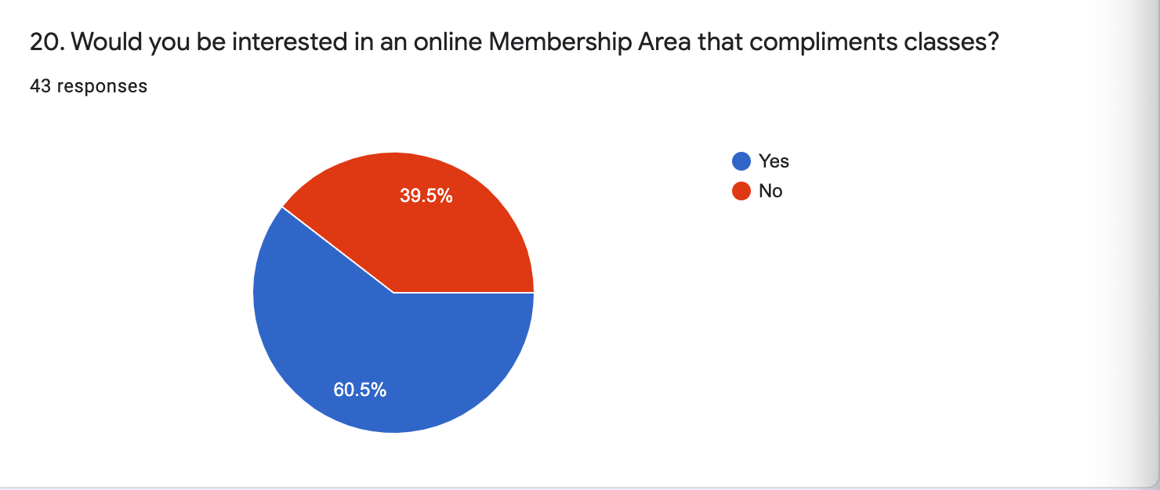
20. |  | YES | 26
 |  | NO | 17

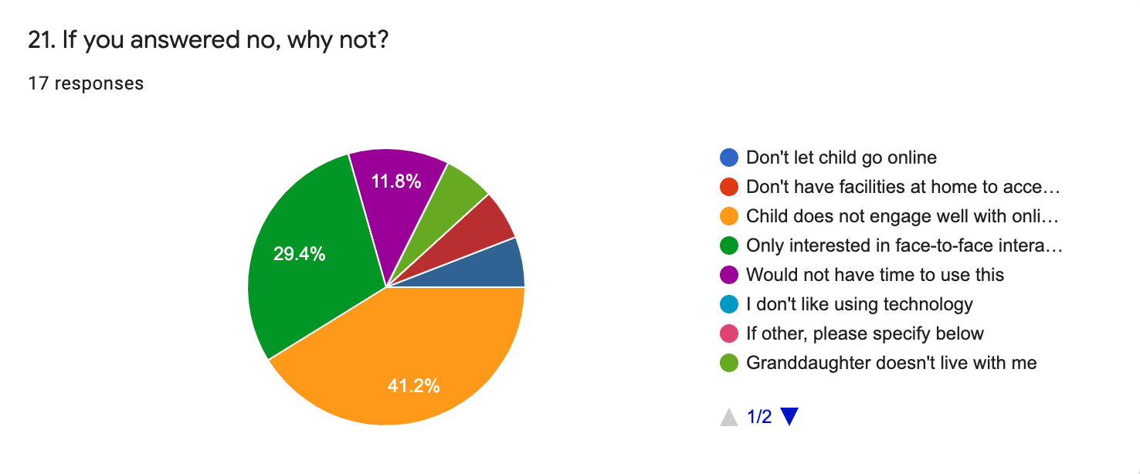
21. |  | DON'T LET CHILD GO ONLINE | 0
 |  | DON'T HAVE FACILITIES AT HOME TO ACCESS ONLINE CONTENT | 0
 |  | CHILD DOES NOT ENGAGE WELL WITH ONLINE CONTENT | 7
 |  | ONLY INTERESTED IN FACE-TO-FACE INTERACTION | 5
 |  | WOULD NOT HAVE TIME TO USE THIS | 2
 |  | I DON'T LIKE USING TECHNOLOGY | 0
 |  | GRANDDAUGHTER DOESN'T LIVE WITH ME | 1
 |  | CHILD GETS BORED AFTER 10 MINS AND NO OTHER CHILDREN TO INTERACT WITH | 1
 |  | CLASSES ARE SO INTERACTIVE IT IS HARD TO REPLICATE ONLINE, PLUS REALLY ENJOYED INTERACTING WITH JACQUI AND THE OTHER PARENTS IN PERSON | 1

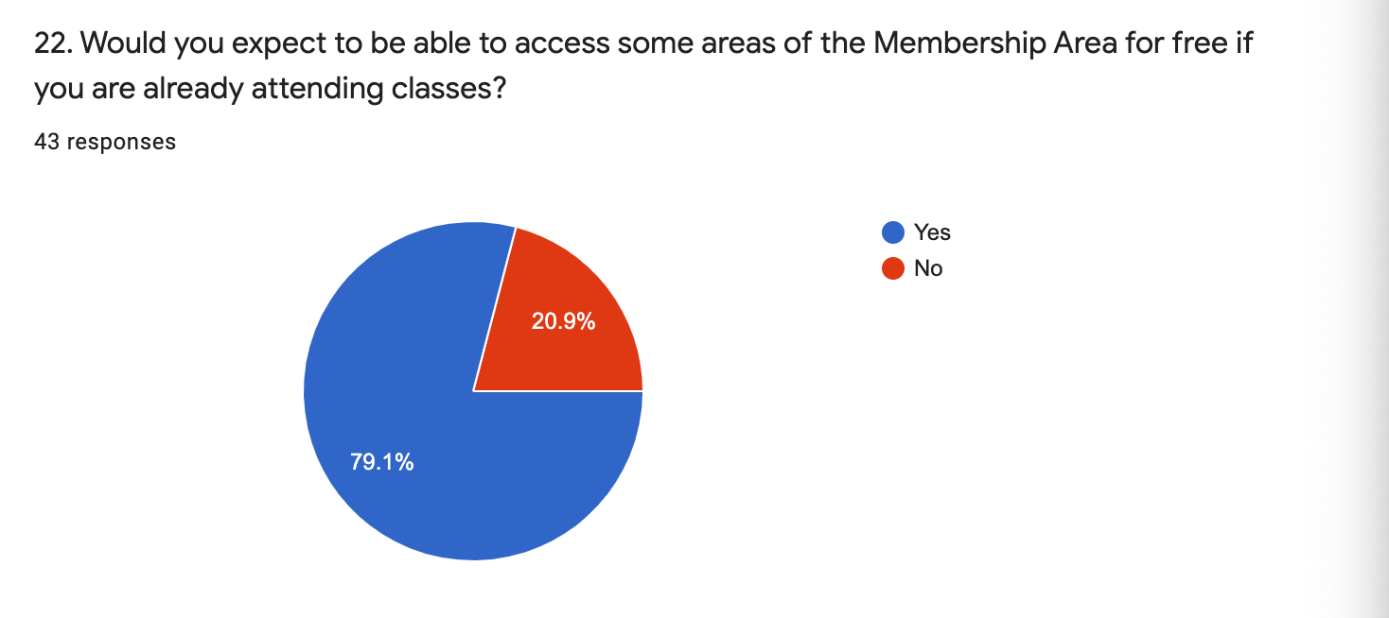
22. |  | YES | 34
 |  | NO | 9



23. |  | YES | 34
 |  | NO | 9

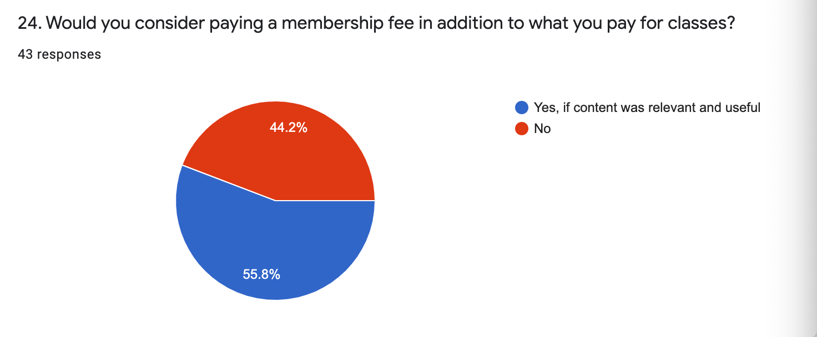
24. |  | YES, IF CONTENT WAS RELEVANT AND USEFUL | 24
 |  | NO | 19

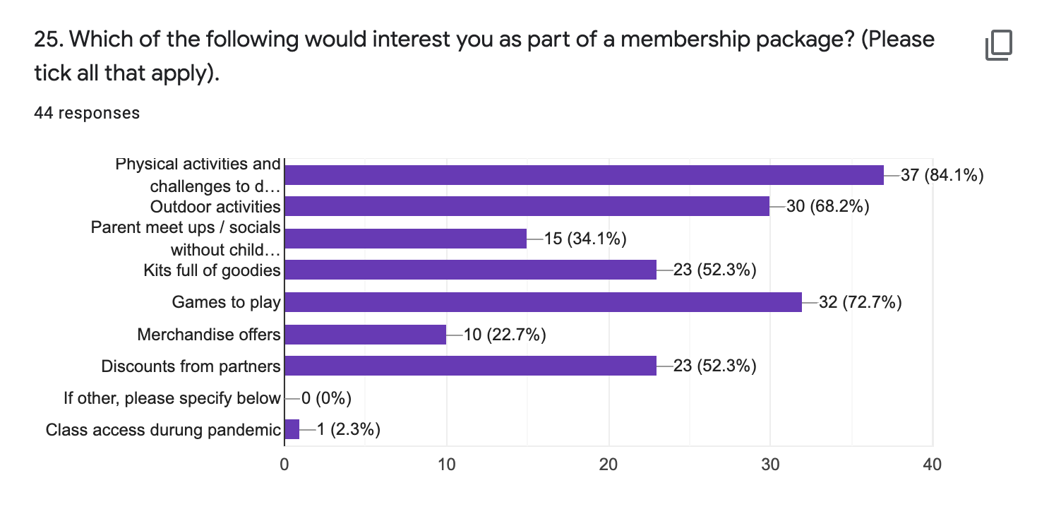
25.

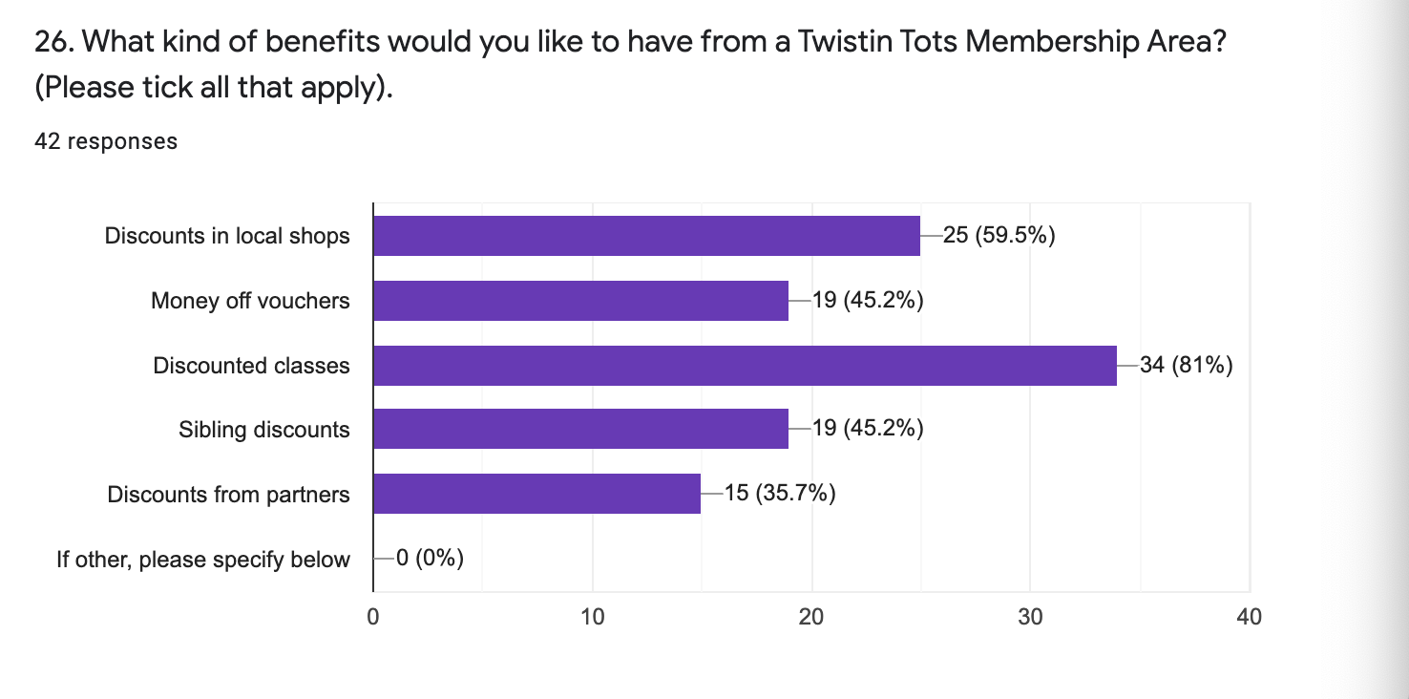
26.

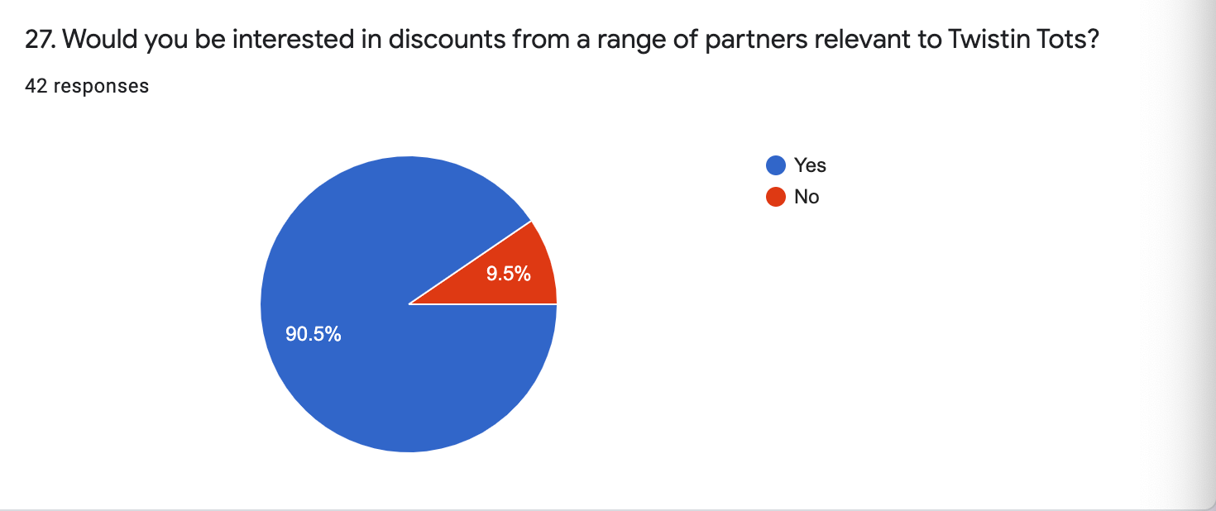
27. |  | YES | 38
 |  | NO | 4

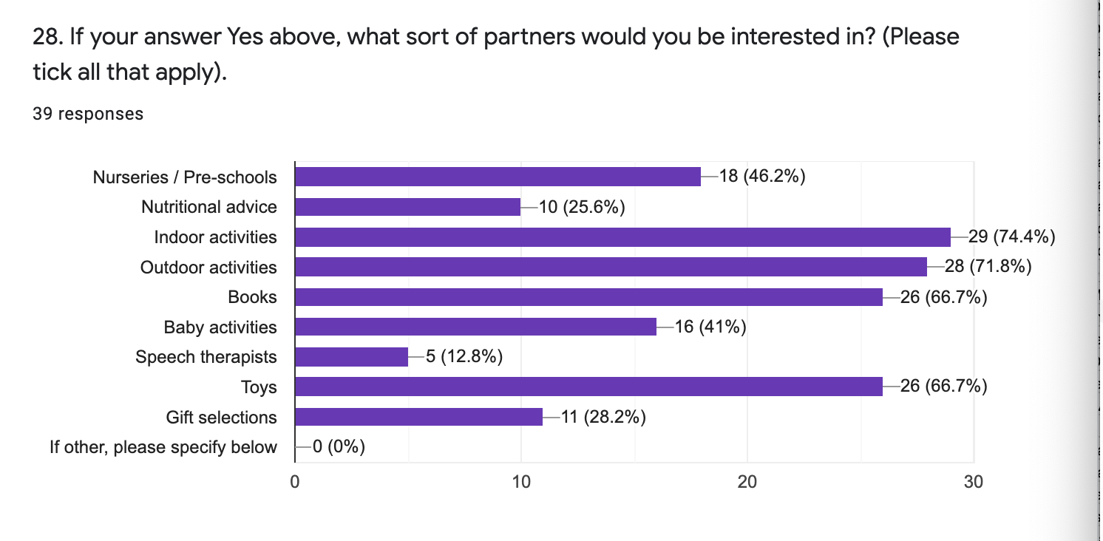
28.

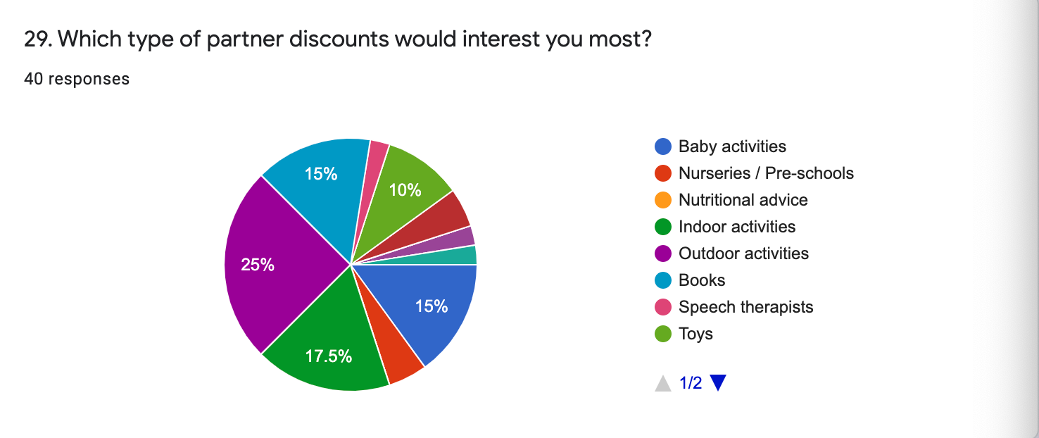
29. |  | BABY ACTIVITIES | 6
 |  | NURSERIES / PRE-SCHOOLS | 2
 |  | NUTRITIONAL ADVICE | 0
 |  | INDOOR ACTIVITIES | 7
 |  | OUTDOOR ACTIVITIES | 10
 |  | BOOKS | 6
 |  | SPEECH THERAPISTS | 1
 |  | TOYS | 4
 |  | GIFT SELECTIONS | 2
 |  | INDOOR AND OUTDOOR ACTIVITIES | 1
 |  | ANY | 1

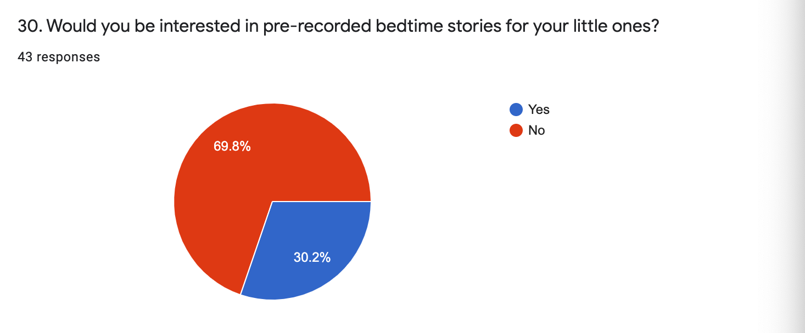
30. |  | YES | 13
 |  | NO | 30

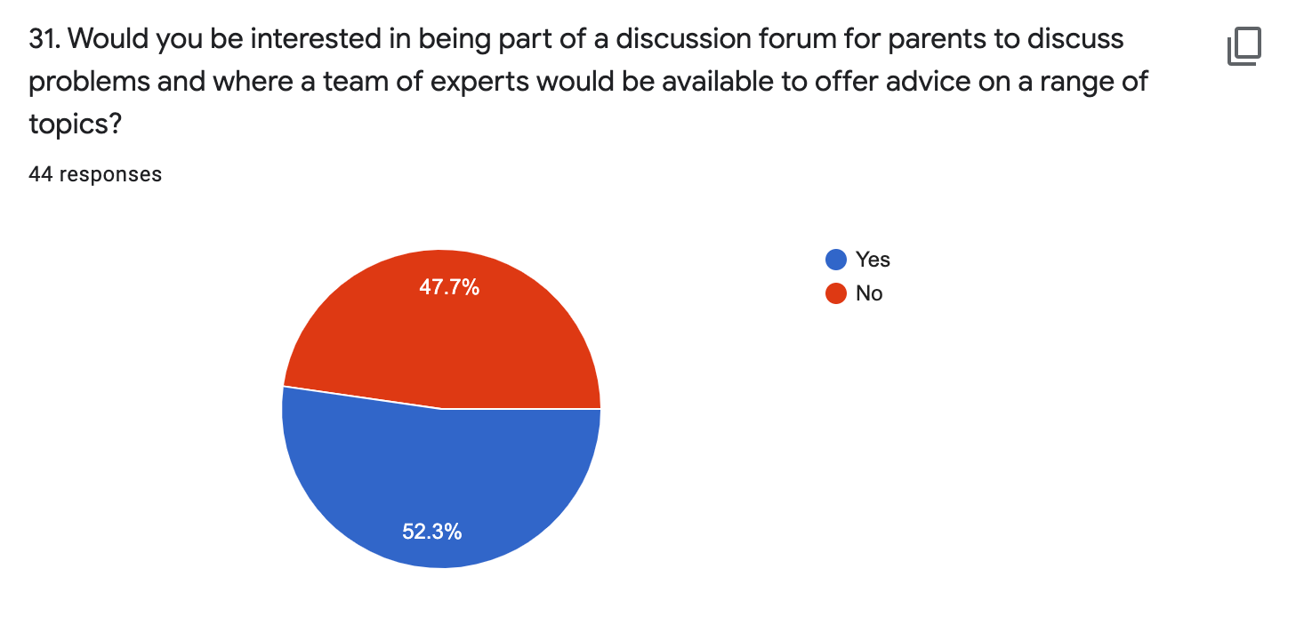
31. |  | YES | 23
 |  | NO | 21

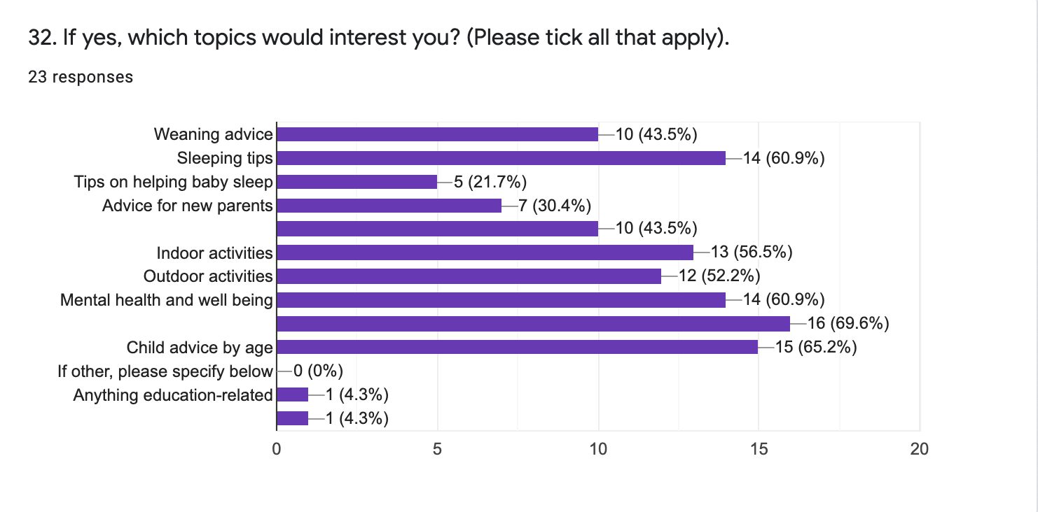
32.

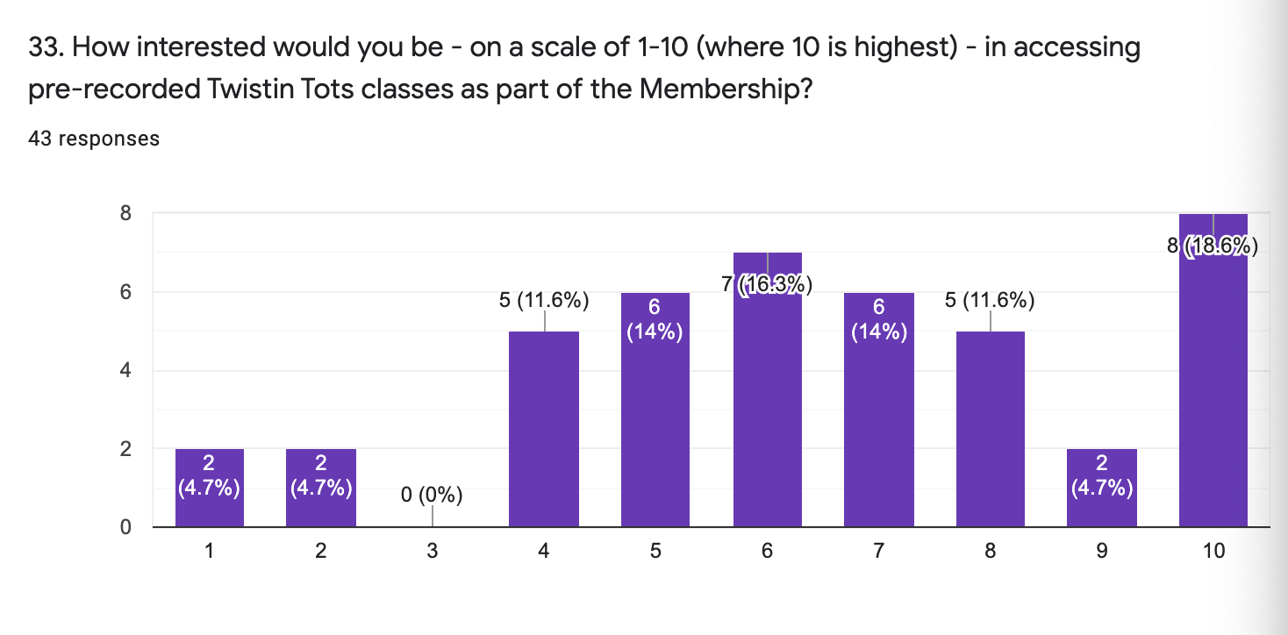
33.

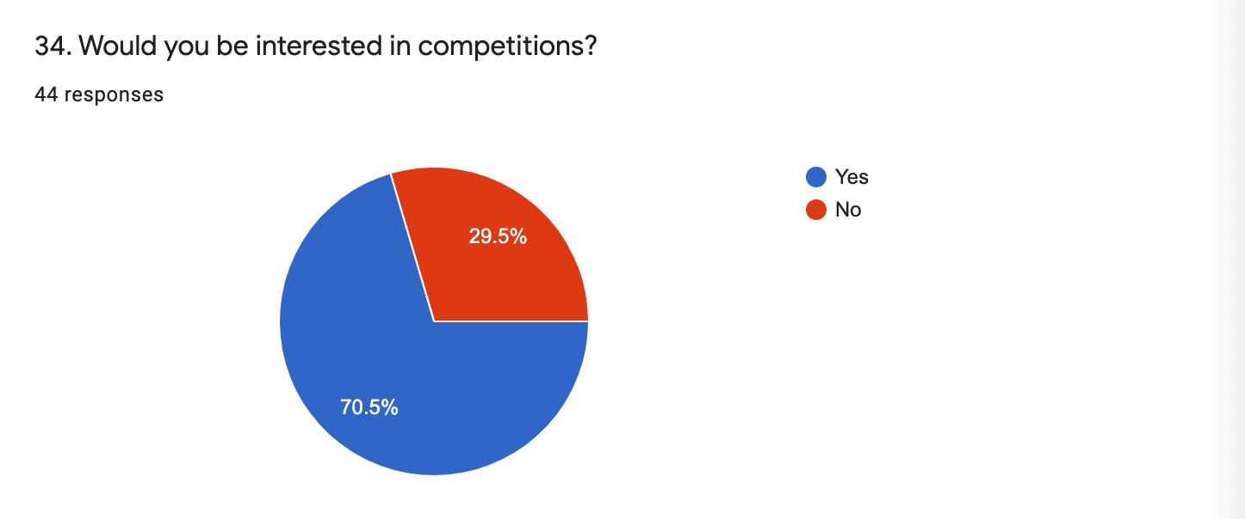
34. |  | YES | 31
 |  | NO | 13

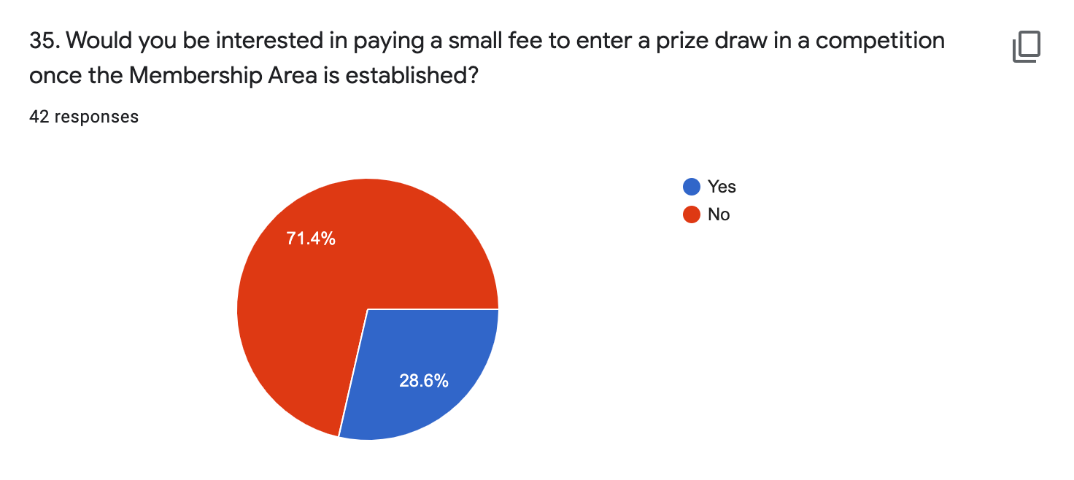
35. |  | YES | 12
 |  | NO | 30

36.

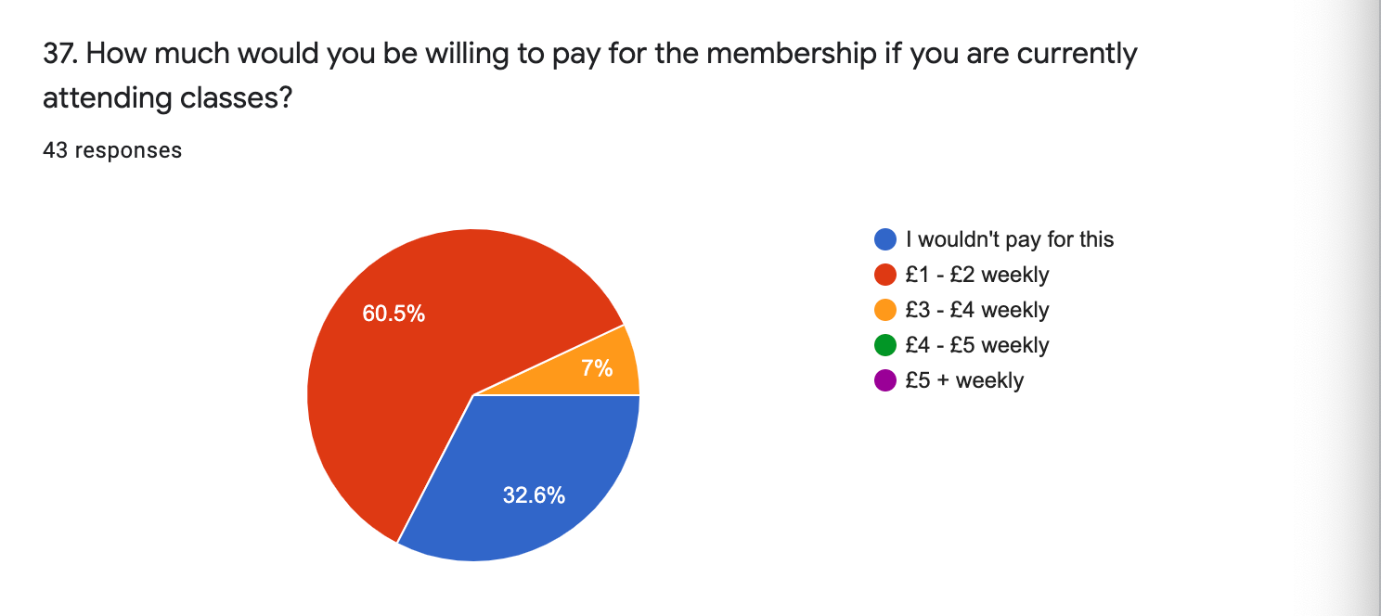
37. |  | I WOULDN'T PAY FOR THIS | 14
 |  | £1 - £2 WEEKLY | 26
 |  | £3 - £4 WEEKLY | 3
 |  | £4 - £5 WEEKLY | 0
 |  | £5+ WEEKLY | 0

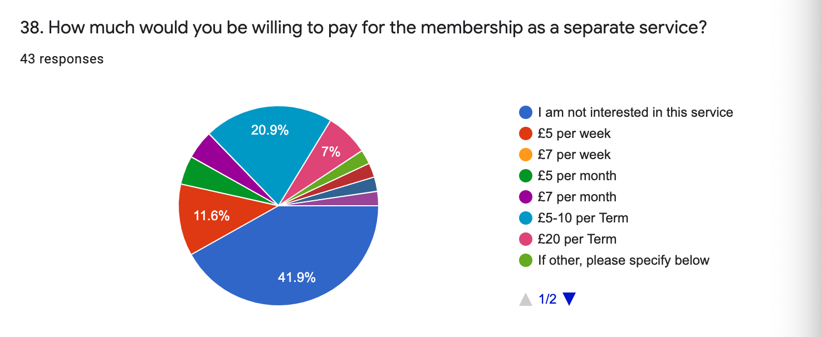
38. |  | NOT INTERESTED | 18
 |  | £5 PER WEEK | 5
 |  | £7 PER WEEK | 0
 |  | £5 PER MONTH | 2
 |  | £7 PER MONTH | 2
 |  | £5-10 PER TERM | 9
 |  | £20 PER TERM | 3
 |  | DEPENDS ON THE CONTENT, RECORDED CLASSES ETC. | 1
 |  | £10 A MONTH IF IT INCLUDED ONLINE CLASSES | 1
 |  | PERHAPS A JOINT SERVICE AND INCREASE CLASS PRICES SLIGHTLY? | 1

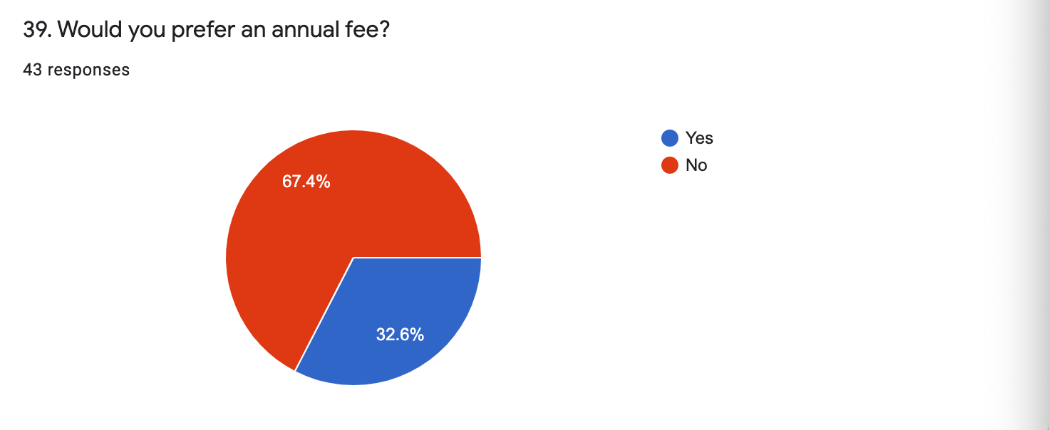
39. |  | YES | 14
 |  | NO | 29

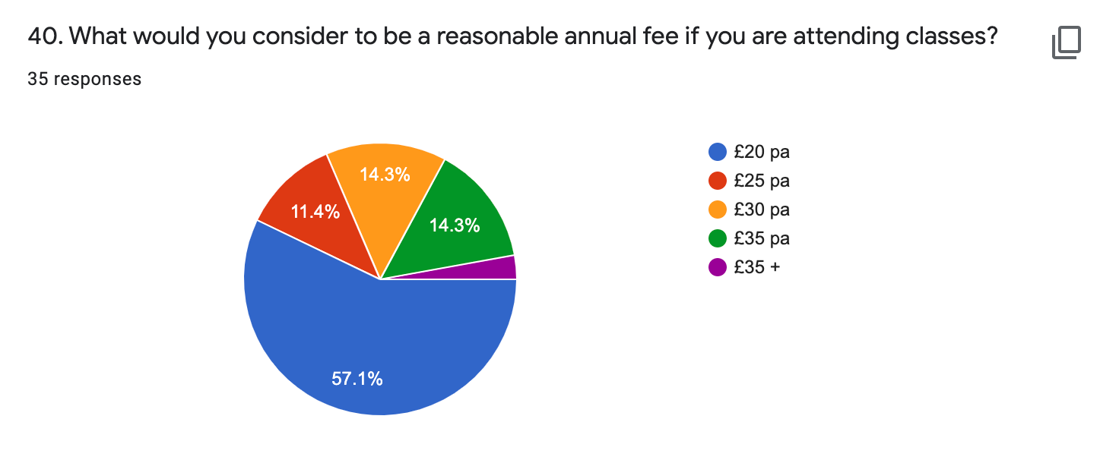
40. |  | £20 PA | 20
 |  | £25 PA | 4
 |  | £30 PA | 5
 |  | £35 PA | 5
 |  | £35+ | 1

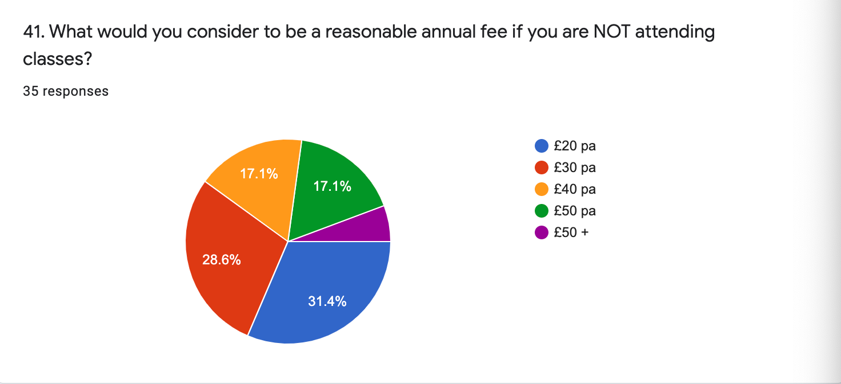
41. |  | £20 PA | 11
 |  | £30 PA | 10
 |  | £40 PA | 6
 |  | £50 PA | 6
 |  | £50+ | 2

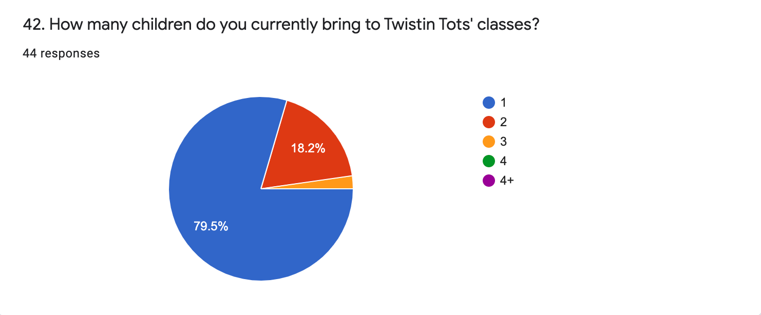
42. |  | 1 | 35
 |  | 2 | 8
 |  | 3 | 1
 |  | 4 | 0
 |  | 4 + | 0

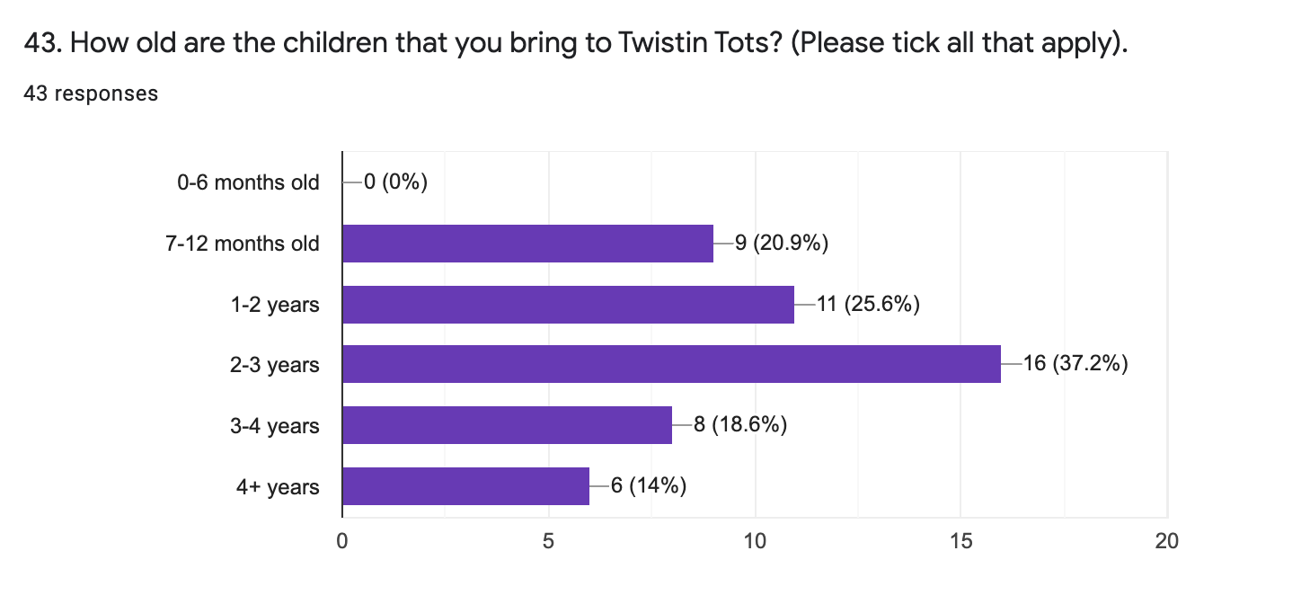
43.

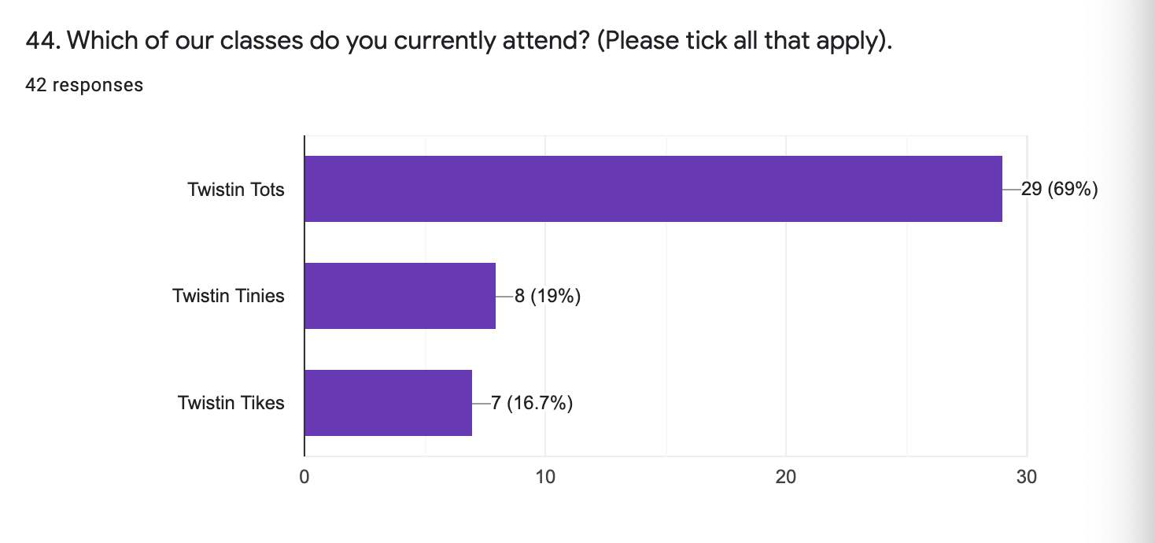
44.

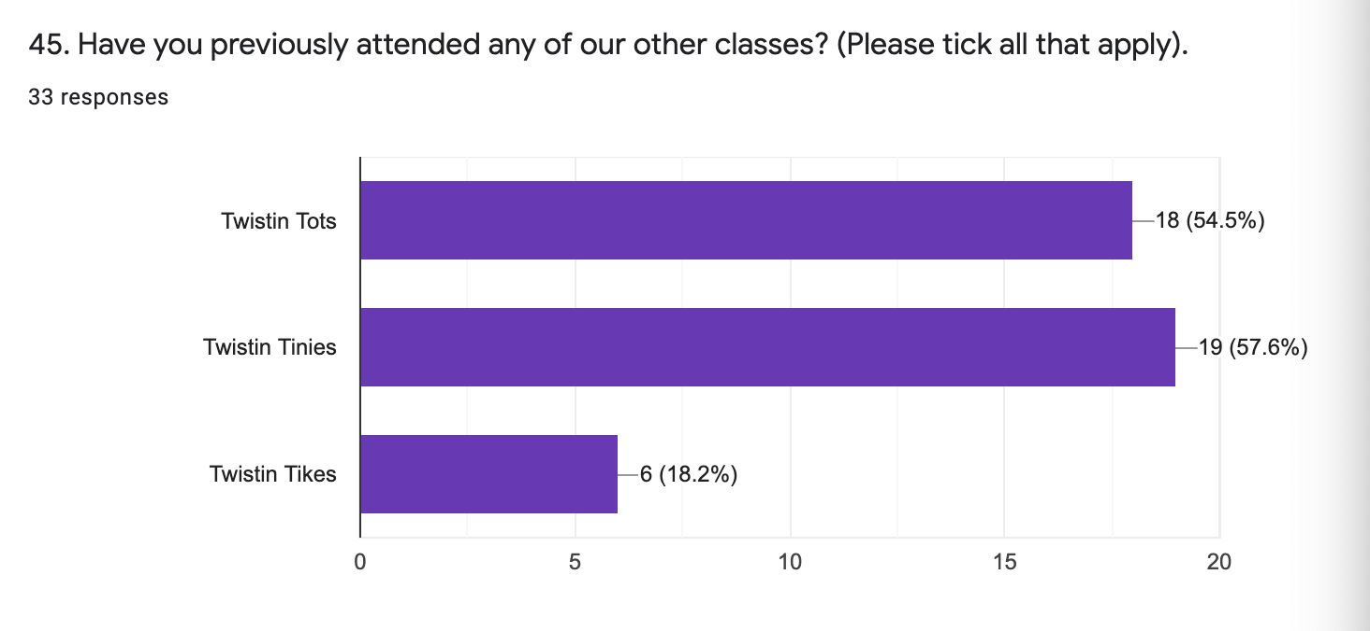
45.

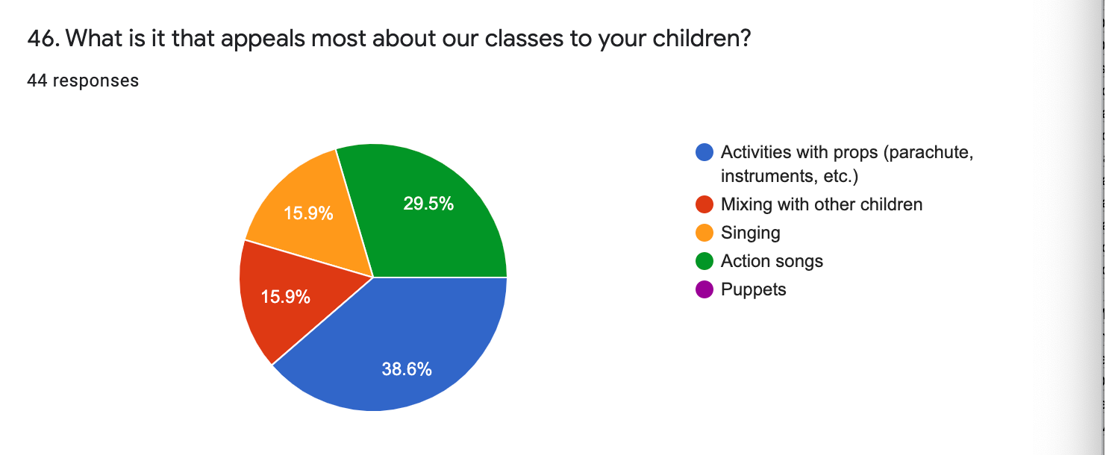
46. |  | ACTIVITIES WITH PROPS | 17
 |  | MIXING WITH OTHER CHILDREN | 7
 |  | SINGING | 7
 |  | ACTION SONGS | 13
 |  | PUPPETS | 0

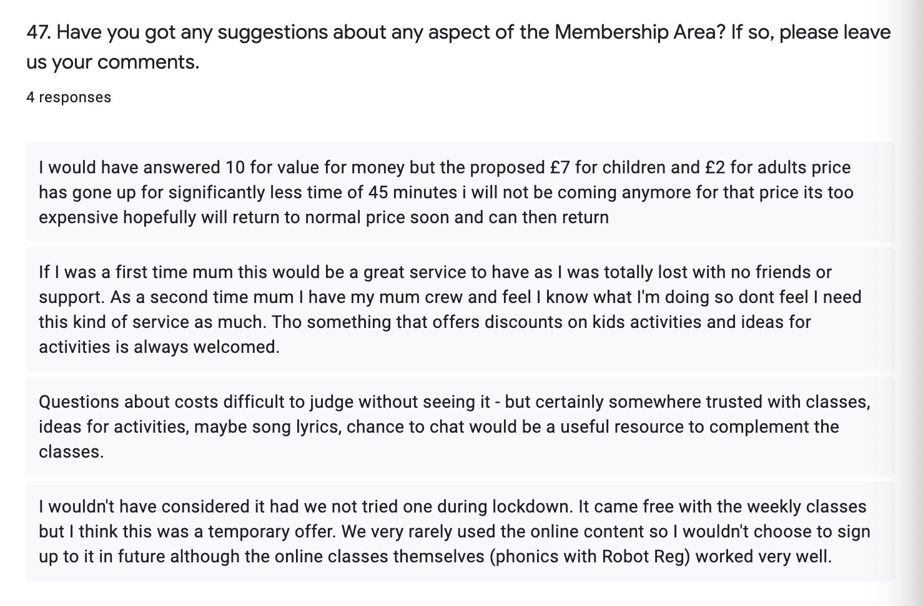
47.

 | Lisa Simm simmlisa@gmail.com
 | Laura Marsh lauramarsh175@gmail.com
 | lucyclarke1979@googlemail.com
 | Vicky Morris vickyperkins1980@gmail.com 07792521687
 | Samantha Evans samantha_evans2016@outlook.com 07828733347
 | Steph Lacey s.lacey19@outlook.com 07488295912
 | Kate Butters Northernbird5@hotmail.com 07971034814
 | Laura Durand, 07737261809, lldurand85@gmail.com
 | Teresa Chase. Teresa_29@hotmail.com 07963705617
 | Emma Peplow, emma.peplow@gmail.com, 07814451695
 | Mslaurenwall@gmail.com LAUREN Wall 114 Cowslip Meadow, DE723XE 07919366386
 | Wendy Woo
 | Claire Wilson claireawilson22@gmail.com
 | Melissafelyons@gmail.com 07445611119
 | Justpurple28@gmail.com
 | Jodavies2011@yahoo.co.uk
 | Jenna Hickmott re Oliver Bennett jennahickmott@yahoo.co.uk 07964749690
 | Jenny. Jennyvesty@hotmail.co.uk
 | Jenny Billington jennyearlno1@yahoo.co.uk 07972927286
 | Catherine c-byrne@hotmail.co.uk

